Features
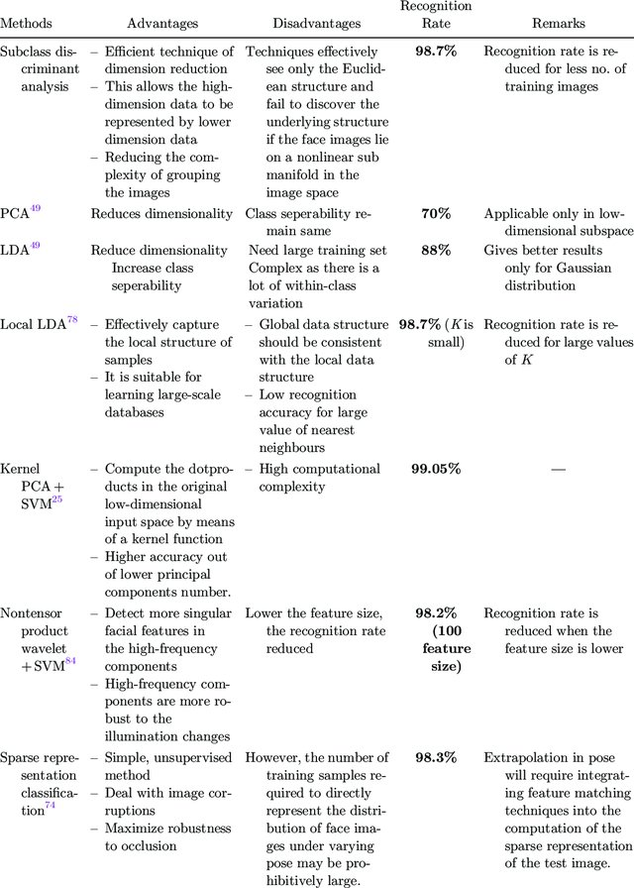
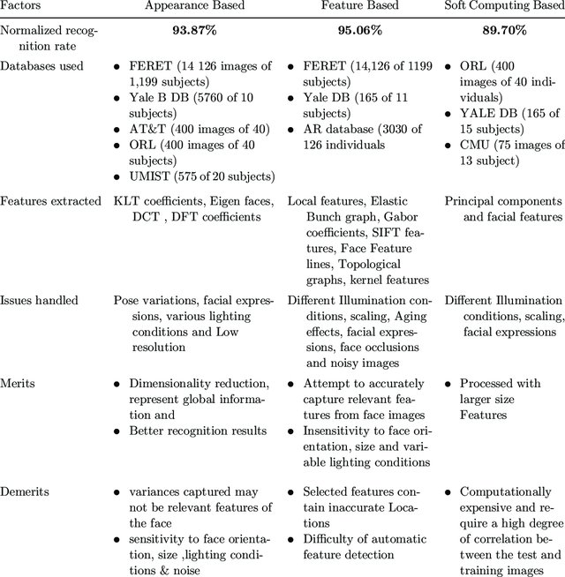
TABLE, SHOWING DIFFERENT FEATURES INSIDE LIBRARIES FOR FACIAL RECOGNITION

 | Kairos | Amazon | Google | Microsoft | IBM | Affectiva | OpenCV
face detection | + | + | + | + | + | + | +
face recognition (image) | + | + | - | + | - | - | -
face recognition (video) | + | - | - | - | - | - | +
emotional depth (%) | + | - | - | + | - | + | -
emotions present (y/n) | + | + | + | + | - | + | -
age & gender | + | + | - | + | + | + | -
multiface tracking | + | + | + | + | + | + | +
SDK | + | - | - | - | - | + | +
API | + | + | + | + | + | + | -
ethnicity | + | - | - | - | - | - | -

